Sign off Evidence
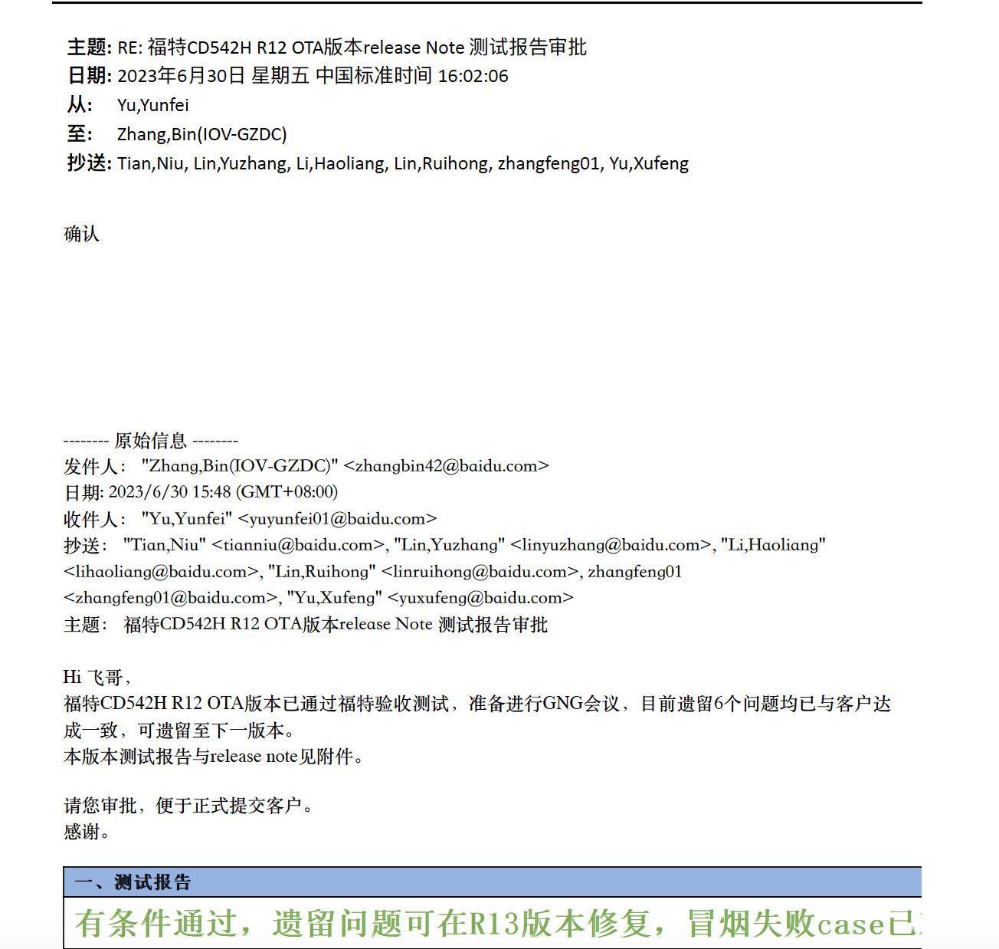
截图必须包含 ： 版本号 发起sign off 的名字 Approve 者的名字 Sign off的时间 Note： 1. Sign off的版本以供应商测试完的时间点; 2. Milestone release 副总签字,OKTB 要求总经理签字； Inhouse： Milestone release LL5, OKTB/OTA: LL4;

